About
ICP BUILDING BUTTON
ICP BEDES Compliant Data Specification v1.0
The Building Button, ICP Compliant BEDES Data Specification, is designed to standardize the data elements associated with energy efficiency upgrades to commercial and multi-family buildings. By standardizing the data associated with these retrofits, the specification will allow for the exchange and interoperability of data through xml and other sources. This is an important first step in enabling the industry to accumulate and analyze large volumes of normalized data from heterogeneous projects. This is an open source initiative and all stakeholders with the ability to generate or consume data are encouraged to adopt this emerging standard.

The Building Button has been designed to support three primary use cases: Technical Due Diligence, Financial Underwriting , and Actuarial Data sharing using anonymous disclosure. For each use case the specification identifies which data elements are recommended or optional through the legend in the left most columns of the document. | 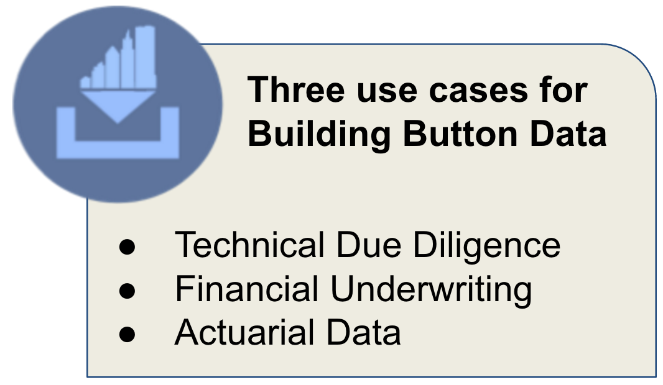
The legend also specifies which ICP Protocols are applicable for each data element through a T (targeted), S (standard), and L (large) designation for each use case. These designations represent what is recommended for an average project, however, depending on the particulars of each project additional data elements may be required or certain recommended elements may not be applicable.

The specification is intended to allow for comparison of projects across many locations and regions. When utilizing the specification a project's units of measure need to be identified as either SI (International System of Units) or IP (Imperial Units). Additionally, monetary units of measure must also be identified. The selected units of measure and monetary units must be consistently utilized for each project so that aggregated data from projects in different locations can be collectively compiled and analyzed.

ICP would like to thank the input provided by our many stakeholders and the ICP Data Spec Working Group. We would also to thank LBNL for their significant contributions to the BEDES mapping process.

Attribution-NoDerivatives 4.0 International (CC BY-ND 4.0)

